Instruction
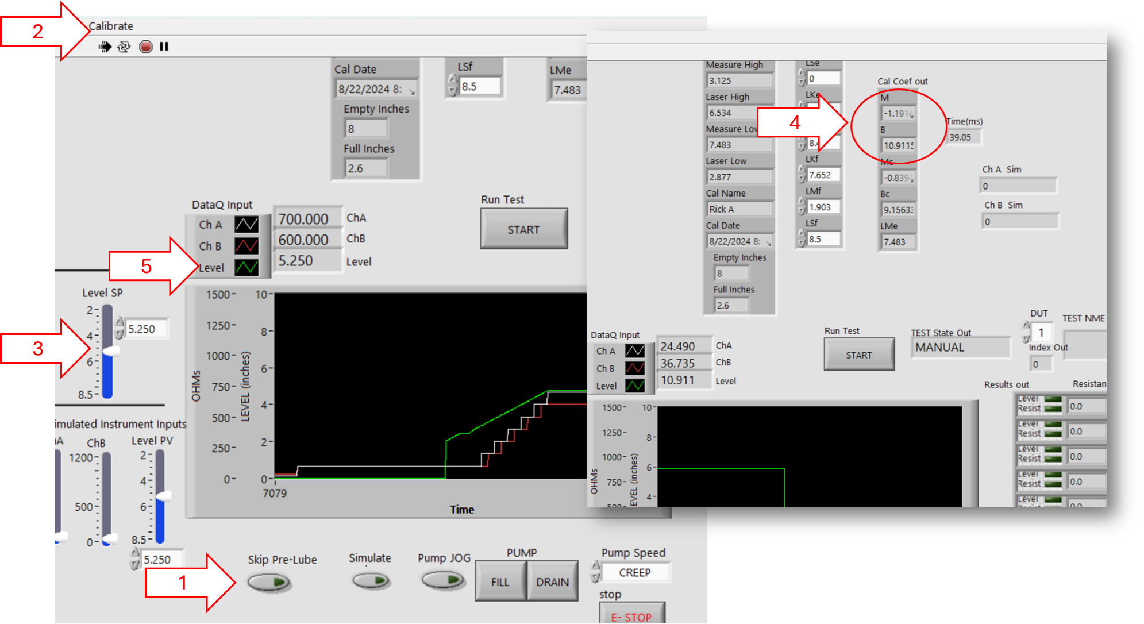
INSTRUCTION
Two point calibration method.
1. Run the program, make sure JOG and Sim are OFF
2. Run the calibration routine, Enter Name,
3. Use the Level SP slider to set Low point then enter the float caliper measurement at that point; then set a Hight point and enter the float caliper measurement at that point. Save the calibration.
4. Record he Cal Coef out M and B values,
5. Blind Point (BP) verification:
5a. Record BP1 by Setting the Level SP (3) to a random BP (Blind Point - Level the measurer doesn't know the value of) then measure and record the caliper measurement and the Level Measurement at this point.
5b. Repeat 5a for BP2.

Sept-3
operator | M | B | Hi | Lo | M*Hi +B | M*Lo+B | Resid Hi | Resid Lo |  | chart Data
1 | -0.99609 | 9.58335 | 3 | 8 | 6.59508 | 1.61463 | -0.013 | 0.010 | Num | Resid Hi | Resid Lo
1 | -0.99744 | 9.5913 | 3 | 8 | 6.59898 | 1.61178 | -0.009 | 0.007 | 1 | -0.013 | 0.010 | -0.071286866523
1 | -0.99569 | 9.58333 | 3 | 8 | 6.59626 | 1.61781 | -0.012 | 0.013 | 2 | -0.009 | 0.007 | -0.063931425285
1 | -1.00442 | 9.61819 | 3 | 8 | 6.60493 | 1.58283 | -0.003 | -0.022 | 3 | -0.012 | 0.013 | -0.056575984047
1 | -1.001 | 9.61002 | 3 | 8 | 6.60702 | 1.60202 | -0.001 | -0.003 | 4 | -0.003 | -0.022 | -0.049220542809
1 | -0.99689 | 9.58509 | 3 | 8 | 6.59442 | 1.60997 | -0.014 | 0.005 | 5 | -0.001 | -0.003 | -0.041865101571 | Bin | Frequency
2 | -1.03714 | 9.84264 | 3 | 8 | 6.73122 | 1.54552 |  |  | 6 | -0.014 | 0.005 | -0.034509660333 | -0.071286866523 | 0
2 | -0.99366 | 9.57205 | 3 | 8 | 6.59107 | 1.62277 | -0.017 | 0.018 | 7 | -0.017 | 0.018 | -0.027154219094 | -0.063931425285 | 0
2 | -1.0015 | 9.60269 | 3 | 8 | 6.59819 | 1.59069 | -0.010 | -0.014 | 8 | -0.010 | -0.014 | -0.019798777856 | -0.056575984047 | 0
2 | -0.99221 | 9.57048 | 3 | 8 | 6.59385 | 1.6328 | -0.014 | 0.028 | 9 | -0.014 | 0.028 | -0.012443336618 | -0.049220542809 | 0
2 | -0.99468 | 9.57556 | 3 | 8 | 6.59152 | 1.61812 | -0.017 | 0.013 | 10 | -0.017 | 0.013 | -0.0050878953799 | -0.041865101571 | 0
2 | -0.99761 | 9.5888 | 3 | 8 | 6.59597 | 1.60792 | -0.012 | 0.003 | 11 | -0.012 | 0.003 | 0.0022675458583 | -0.034509660333 | 0
 |  |  |  | Max | 6.73122 | 1.6328 |  |  |  |  | -0.013 | 0.0096229870964 | -0.027154219094 | 0
 |  |  |  | Min | 6.59107 | 1.54552 |  |  |  |  | -0.009 | More | -0.019798777856 | 1
 |  |  |  | Range | 0.14015 | 0.08728 |  |  |  |  | -0.012 |  | -0.012443336618 | 6
 |  |  |  | Average | 6.6082091667 | 1.6047383333 |  |  |  |  | -0.003 |  | -0.0050878953799 | 4
 |  |  |  |  |  |  |  |  |  |  | -0.001 |  | 0.0022675458583 | 3
2- Point Cal Residuals
 |  |  |  |  |  |  |  |  |  |  | -0.014 |  | 0.0096229870964 | 3
 |  |  |  |  |  |  |  |  |  |  | -0.017 |  | More | 5
 |  |  |  |  |  |  |  |  |  |  | -0.010
 |  |  |  |  |  |  |  |  |  |  | -0.014
 |  |  |  |  |  |  |  |  |  |  | -0.017
 |  |  |  |  |  |  |  |  |  |  | -0.012

